Reference
1 Pre Shift

1.1 Check for pre shift VTO or VET

VTO: (Voluntary Time Off)
VET: (Voluntary Extra Time)

Find VTO Opportunities here

After clicking link, look to see how many Pack - Single associates have accepted the opportunities available

If 0 associates accepted
notify Pack Singles PA that 0 associates accepted

If 1 or more associates accepted
take a screen shot of the list with snipping tool and send to Pack Singles PA
EX:

View this FAQ wiki page on Q&A on scheduling and how to use scheduling for VTO/VET.

1.2 Indirect and Direct Labor Plan

Check the preshift plan for Direct and Indirect Labor headcounts

Search your outlook inbox for an email with the tite prior day plan. |  |  |  |  |  | RT Operations
If you cannot find the email, reach out to you Operations Manager for guidance |  |  |  |  | 1 | Kircher, Sharon <skkirche@amazon.com>
After finding this email in your inbox or escalating your Operations Manager, click on email |  |  |  |  | 2 | Winsieky , matt <wisniesk@amazon.com>
See main portion of email for Direct Headcounts
Pack singles Direct Headcounts are listed by the Process Path title: | Singles Mediums | Singles Smalls | Smart Pac
Item | PPSingleMedium | PPSingleSmall or Pack at SLAM | PPSmartPac
Abbreviation | Single item orders that into small sized Amazon boxes (A1-A5,B1-B6, C3, D) | Single item orders that fit inside of envelope packaging (BM3,BM4,BM5,Box 10) | Single item orders that fall between medium and small size with special high speed packing technology
Units/Rodeo link | Mediums | Smalls | Smart Pac
Sorter | Singles_03, Singles_04 | Singles_02 | PJ_01, SINGLES_04
Line Number | Line 3 and Line 4 | Line 2 | Line 1, Line 5
Current Rate/Adapt Config. | 98 | 200 | 622
Team Goal | 110 | 126 | 633

See lower portion of email for Indirect Headcounts
Verify with your Pack PA that they know the labor plan
You will then walk your area in order to know if you will be able to staff your indirect roles according to plan based on the hand-off given from the previous shift

Direct Labor | Indirect Labor
Mediums, Smalls, and SmartPac Packers, Slappers | Process Assistants, Process Guides, Ambassadors, Water Spiders, SLAM Operators, Problem Solvers

1.3 Area Walk

1.3.1 Line Management

Check which Singles lines are running during your shift:

Go to Routing Profile Configuration in Sortation
Scroll down to:
pkSingleMedium - corresponds with Singles Mediums (Singles_03, Singles_04)
pkSingleSmall - corresponds with Singles Smalls ( Singles_02)
pkSmartPac - corresponds with Smart Pac (PJ-01, Singles_1)
The Lane being used for each process path is listed directly to the right
Mediums 1vs2 lines
# | The benefit of running one line is that WIP will buildup and less of a need to use pack support hours.
# | The cons of using one line is that CPT's may require downstacking in order to retrieve totes with low dwell time.
 | 1 | If the HC is over 10 AA's it is best to use 2 lines. Through experience we've noticed that the 9:00 and 10:30cpt will be diifuclt to get to.
1.3.1.1 Opening Singles Lines

If in your pre shift plan you are staffing all 4 process paths but a line is not turned on, escalate immediately to your Operations Manager
After notifying Operations Manager, turn on line you need to use by proceeding with the following steps:
1. Open Routing Profile Configuration in Sortation

2. Select Arrow next to process path you need to open up
Example: If I needed to open up another Mediums line, I would select the arrow next to pkSingleMedium

3. Select Edit Profile

4. In the Row titled Main, select the Add Drop Down Menu
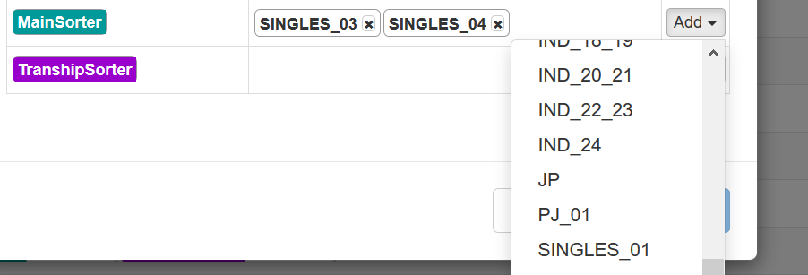

5. Scroll down and select the Singles line number you want to open up
Example: If I need another Mediums Line, I would scroll down and select Singles_05 or Singles_04

6. Select Save
7. Line is now open

1.3.1.2 Closing Singles Lines

If in your pre shift plan you are not staffing all 4 process paths but all lines are turned on, escalate immediately to your Operations Manager
After notifying Operations Manager, turn off line you do not need by proceeding with the following steps:
1. Open Routing Profile Configuration in Sortation
​
​

2. Select Arrow next to process path you need to close
Example: If I needed to close a Larges line, I would select the arrow next to pkSingle

3. Select Edit Profile

4. In the Row titled Main, the lines that are currently open will be listed with an x next to each one
5. Select the x corresponding with the line you want to close
Example: If I need to close a Larges Line, I would select the x next to Singles_02 or Singles_03

6. Select Save
7. Line is now closed

1.3.2 SCC Staffing
SCC link: | https://scc-na.aka.amazon.com/BDL2/home

What is the SCC and why do we want to use it?

This tool is used to automate associate level staffing decisions, using Shift Planner and historical associate performance to group associates into optimized workcells, minimizing variation and
maximizing throughput of the Singles. This automation will give time back to Singles AMs and provide up to $12M in savings from improved performance and reduced variation.

The SCC is tied to the OSP shift planner utilized quarterly by Flow. As Flow AM’s generate Quarterly plans with the OSP a staffing plan is created for all process paths in the SCC. These plans are typically generated 30
minutes prior to the end of the quarter. As an example Q2s plan will be done at 22:30 leaving the team 30 minutes to evaluate and staff the board. After the plan has been generated the plan can be
evaluated/adjusted following these steps:

1 | Open the link and select BDL2 as the FC
2 | Once the FC is selected you will see the screen below and click on “adjust labor

3 | After clicking “adjust labor” you will be directed to another screen displaying the plan. You will need to first verify you have the respective quarter selected for which you are entering as well as the floor for pick.
4 | Notice the top title tells you when it was last updated. This is important since multiple plans are approved throughout a period. The plan must be update as attrition, laborshiring or changes in volume occurs.

5 | After selecting the correct period and time SCC will display each packing path for Singles or any process path you are in.
 | 1 | For line 3 keep in mind there is no station 27.
 | 2 | Adeherence to Plan gives you credit if the packer goes to assigned station.
 |  | 1 | SCC will choose the best location to staff an AA based on rate expectation.
 |  | 2 | Does not take into consideration injuries, broken stations etc..

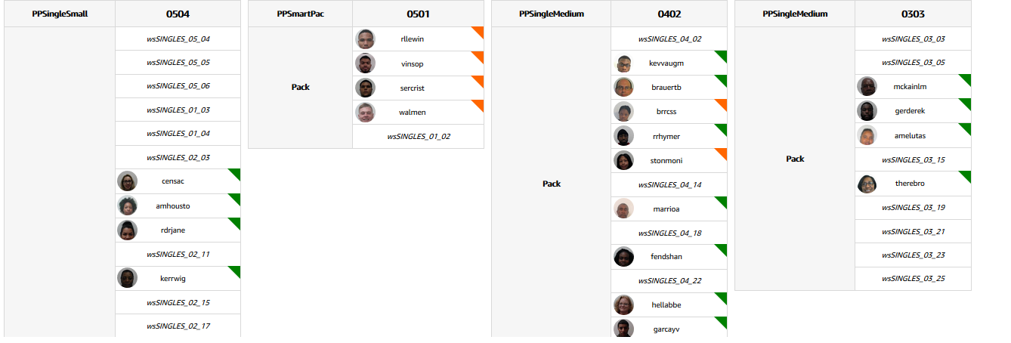

6 | Each associate will have a color at the top right of their name icon signifying their status as: Clocked in, At station, or Not clocked in -
 | a | Associates who did not report to their assigned area will show as orange “clocked in”
 | b | This will allow the team greater visibility on who went to the assigned stations and allow us to quickly provide feedback if not (Adherence to Plan)
7 | AM’s will be responsible for reviewing/auditing SCC plans and making changes as needed to reflect appropriately in the SCC
 | a | Attrition, VTO, change in volume will cause a readjustment of HC. This is when a new plan will be generated and SCC should be approved again.

8 | Changes can be made by selecting the associate and clicking “unassign” this will move the associate to the pool of unassigned associates located on the left side of the screen
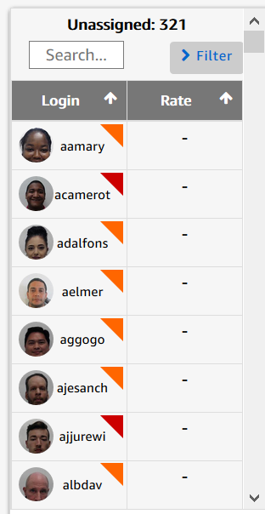

9 | Once all edits have been completed you will finally click “approve plan” located at the top right of the window

 | Using SCC
 | Filtering Unassigned Associates:
1 | Login - Search the login of the associate you're trying to assign
2 | Manager - Filter only associates listed under the checked manager name(s)
3 | Associate Status - Clocked in vs Not Clocked in associates
4 | Trained - Filter associates who are trained in a particular function(s)
5 | Cohort - Show only associates that have the checked cohort assignment(s)
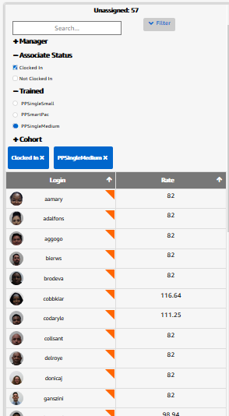

 | Switch Functionality

 | Switch is used to swap two associates. Switch is enabled when we select 2 associates on the UI. Switch works for -

 | 1. Swapping a currently assigned associate with someone from unassigned list e.g. someone didn't clock in and we need to swap them with someone available in the building

 | Swapping associates within the same department
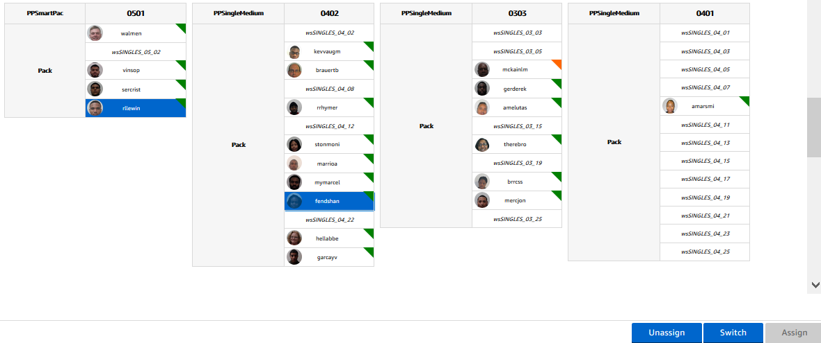

 |  |  |  |  |  | https://w.amazon.com/index.php/ManagersReferenceGuide/LaborPlanning/StaffingCommandCenter

 | Singles Features

 | Station Configuration

 | In Singles, we leverage a configuration within SCC that assigns stations to lanes and staffs based on historical associate performance. In NA, this configuration is owned by the ACES Research and Configuration team, and can be updated through this tt quicklink. Associate placement is determined by the following:

 | Line Management:

 | For future shifts, SCC will consider all lanes that are configured and then use the least amount of necessary lines for the planned HC, distributing associates and throughput evenly among them.
 | Ex: Assume 3 lines and 24 stations per line are configured for PPSingleLarge (SL).
 | If the plan is for 24 SL packers we will use the first line configured only.
 | If the plan is for 25 SL packers, we will staff 13 on the first line and 12 on the second line.
 | If the plan is for 70 SL packers, we will staff all 3 lines - 24, 23, 23 on each line, respectively.
 | For the current shift, and any quarters left in the shift, SCC considers the current stations being used to determine which lines are open and continues to plan those to those lines.
 | Ex: Assume 2 lines are currently being used PPSingleLarge (SL), with 24 stations per SL line configured and we currently have 26 SL packers (13 on each line). If the following-quarter plan is for 24 SL packers, SCC will still plan on using 2 lines with 12 packers split between them to avoid opening/closing lines in the middle of shift.

 | Associate Placement:

 | Associates who perform the highest in the applicable path will be slotted to the top stations listed in the configuration. Typically, this station is physically located at the back of the line, maximizing tote availability for the associate.
 | If multiple lines are being used, the placement of top-performing associates alternates between the lines to maintain balanced throughput on each line.

1.3.2.1 How to Staff Direct Roles
Singles Mediums | Singles Smalls | SmartPac
Maximum of 13 per line | Maximum of 8 per line | Maximum of 5

1.3.2.2 How to Staff Mediums, and Smalls Indirect Roles
Water Spider | SLAM Operator | Problem Solver | Process Assistant
1 Water Spider for every 2 lines open | 1 SLAM Operator for every 2 lines running, no SLAM operator needed for Smalls Lines (SLAM line 2) | 2 Problem Solvers | 1 PA non peak, 2 PA during peak season

1.3.2.3 How to Staff SmartPac Indirect Roles
Water Spider | Problem Solver | Process Assistant
1 Water Spider | 1 Problem Solver/Line Straightener | 0 PA

Stand Up: a group meeting that takes place 2 times a day, at the Start of Shift and after the first break to stretch, discuss safety, standard work, quality, announcements, and success stories with all of your associates
Stand Up Format:
 | Example: Use two hands to grab totes off of conveyor. Have the top 2 most at risk behaviors displayed on Stand Up board and discuss any safety incident that happened during the shift or previous shift.
 | Example: Arrive back to your station on time from breaks
2. Standard Work Tip | Example: Scan your sp00 before placing completed shipment onto conveyer
3. Quality Tip | Example: Any outstanding announcements you have for your associates in regards to Amazon or your building
4. Announcements | Example: Any example of a positive story you have from a previous shift or associate
5. Success Story | Select an Associate to lead the group in a set of stretches displayed on board provided by safety with descriptions of stretches to perform
6. Stretch

1.3.4 Water Spider / 5S Standards

All stations have working barcode to login
All stations have less than 4 empty box suites
If more than 4 empty box suites, escalate to operations manager
Pallets: stack of 10 are removed from floor
If there are any stacks of pallets of 10 on floor escalate to Operations Manager

Utilize the Water Spider Checklist for all information regarding Water Spider standard work and expectations

1.3.5 Singles Problem Solve Standards

1.3.5.1 Dwell Management

Check all of the Pack Singles Dwells to ensure they are in standard

Rodeo Bucket | In Standard Dwells | Out of Standard Dwells | Escalation Point of Contact | Decision Tree to get Dwells Back In Standard
Picking Picked | Under 2 hours | Over 2 hours | Operations Manager | Picking Picked
Sorted | Under 10 minutes | Over 10 minutes | Singles Problem Solver | Sorted
Packing | Under 10 minutes | Over 10 minutes | Pack PA | Packing
Scanned | Under 30 Minutes | Over 30 Minutes | Problem Solve PA | Scanned
Condition 15 Problem Solve | Under 2 hours for hotpicks and Problem Solve Totes, Under 1 hour for kicked out SP00s | Over 2 hours | Problem Solve PA and Ops Manager | Problem Solve
Condition 4 Problem Solve | Under 1.5 hours until CPT | Over 1.5 hours until CPT | Problem Solve PA and Ops Manager | Problem Solve

1.3.5.1.1 CPT

Each shift has their own CPT's. This is the time a customer shipment is expected to be scanned onto a truck to depart to the customer. There is the slotted CPT time displayed on Rodeo, but in order to actually clear a CPT that order must be slammed out by the PAD Time.

Rodeo: Displays visibility to all shipments sorted by their respective CPT time

Pad Time: This is an everchanging number. At BDL2, PAD time is currently 25 Minutes before CPT
Escalate to your operations manager if you are unsure of the PAD time
How to chase and clear CPT

The RT CPT Schedule for BDL2 is as follows:

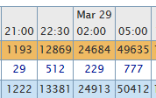

Keep in mind there are times when we have a 1:00a CPT

Throughout the shift, there will be a problem solve CPT chaser. As the AM, it is your responsibility to provide this associate the tools needed to clear when they escalate to you.

Keep Rodeo open all day in order to always track your CPT's

When chasing CPT, you will escalate if Picking Not Yet Picked is not at 0 2 hours out from the respective CPT time.

Picking Not Yet Picked is owned by RSP, not Singles. Escalate to your Operations Manager for any concerns regarding Picking Not Yet Picked

1.3.5.2 Rodeo Bucket Standards

Check that all Rodeo buckets are in standard
Rodeo Bucket | In Standard | Out of Standard | Escalation Point of Contact
Picking Not Yet Picked |  |  | Operations Manager
Picking Picked |  |  | Operations Manager
Sorted |  |  | Singles Problem Solver
Packing |  |  | Pack PA
Scanned | Below 250 | Over 250 | Ops Manager
Condition 15 Problem Solve |  |  | Problem Solve PA and Ops Manager
Condition 4 Problem Solve |  |  | Problem Solve PA and Ops Manager

More details on How to Use Rodeo

1.3.5.3 Problem Solve 5S Standards

225 units is the maximum Problem Solve bucket size. This includes all 4 process paths
To calculate the problem solve bucket, go to Rodeo
Look at the row titled Problem Solve under the "Total" subsection at the top of the page
Directly to the right of the Prolem Solving header is the total # of units in your problem solve bucket
If over 225 units, escalate to Ops Manager and upstaff 1 problem solver
If below 225 units, no action needed
Less than 25 totes in the putback area by SLAM line 1
If over 25 totes, escalate to ops
Less than 25 totes for damages in the putback area by SLAM line 1
If over 25 totes, escalate to ops
Less than 35 totes for real time problem solve
If over 35, escalate to Ops Manager. Only upstaff a problem solver if this has caused your total problem solve bucket to be above 225
Verify there are below 10 completed shipments in OOPs or utilizing the Problem Solve Macro
Using POPS
Open POPs in a new tab

Using PS Macro
Open the Problem Solve Macro
Select run data
Escalate to Ops if any metrics are highlighted as being out of standard

Verify Z - Bin has physical/virtual match

1.3.5.4 Z Bin

Check the # of items virtually stored in Z-Bin
Singles Z-Bin: P-3-Z2B1
If over 30 items in Z - Bin, immediately have Problem Solve PA Clean Z - Bin
If under 30 items, have problem solve PA verify that there are not physically more items that are not virtually attached
See the Problem Solve Guide for further instructions on how to clean the Z-Bin

2 Start of Shift

2.1 Timeline of first hour of shift

1. First stand up within 3 minutes
2. All associates in their station packing within 7 minutes
3. Verify Direct Headcount within 15 minutes:
Call out on radio in order of Larges, Mediums, Smalls, SmartPac
4. Verify indirect Headcount within 20 minutes
If missing any indirect roles, backfill from Singles Larges
5. Within 30 minutes, Operations Manager will alert you of how many associates need to be labor shared
If Ops Manager calls out to send associates to Pick, send PA with associates to pick
If Ops Manager call out to send associates to Ship Dock, have PA provide vests from Grainger machine in standup area to each associate and walk down
If Ops Manager calls out to send associates to AFE, walk associates to AFE
6. After labor sharing associates, AM will get new headcount so PA can walk associates to appropriate department
7. Call out new head count to Ops Manager on radio channel 10 -
8. Verify all headcounts utilizing Autoflow Dashboard
9. At the end of the first hour or at earliest convenience, follow up with associates on their Fast Start

2.1.1 Fast Start

1. Go to Fast Start website
2. Select your shift date and corresponding Outbound time to stand up in drop down menu
3. In Filter Results Text Box, type single
4. Record Average Time and TP90 on your Standard Work checklist
5. Take a snip of all Associates over 8 minutes and send to Pack PA to be coached
How to use snipping tool
10. Make sure all associates have been Labor Tracked (see below for instructions on how to Labor Track)

2.2 Labor Tracking

Hard code all SLAM operators within 15 minutes of SOS

Have Problem Solve PA verify with each SLAM Operator that they labor tracked
How to Hard Code and Labor track:

Hard Code | Soft Code
To Hard Code, OpenFC Web Menu | To soft code, use the TOT link
In the following Order, Select "More Choices", "Indirect Work (12)", "Labor Tracking Kiosk (129)" | Select "Intraday" and input the date of your shift, total time of your shift, and select HTML
In the Indirect Work Code Box, type in "PMSO" | Check the box marked "Hide 100% on task"
Walk to SLAM Operator and Scan their Badge into the text box | In the Manager drop down menu, select your name
After Scanning every SLAM operator badge, press enter to complete hard code | For all associates that show up as off task under your name, click into their employee id
If you are directed to hard code an associate that is not a SLAM Operator, find the correct calm code here | See List below for specific soft code instructions

Soft Coding
If AA is a WATERSPIDER:
After clicking into employee ID, select the black bar
In first drop down menu, select PACK SUPPORT
In second drop down menu, select PACK SINGLES WATERSPIDER
Submit
If AA is a PROBLEM SOLVER:
After clicking into employee ID, select the black bar
In first drop down menu, select OB PROBLEM SOLVE
In second drop down menu, select PACK PROBLEM SOLVE
Submit
If AA is a PACK PA:
After clicking into employee ID, select the black bar
In first drop down menu, select OB/LEAD PA
In second drop down menu, select PACK LEAD PA
Submit
If AA is a FLOW LEAD:
After clicking into employee ID, select the black bar
In first drop down menu, select PACK SUPPORT
In second drop down menu, select PACK 5S
Submit
If AA took VTO at SOS:
After clicking into employee ID, select the black bar
In first drop down menu, select PACK SUPPORT
In second drop down menu, select PACK 5S
Submit
If AA was labor shared to the SHIPDOCK:
After clicking into employee ID, select the black bar
In first drop down menu, select SHIP DOCK
In second drop down menu, select OB DOCK CREW
Submit
If AA was labor shared to the VENDOR RETURNS:
After clicking into employee ID, select the black bar
In first drop down menu, select VENDOR RETURNS SUPPORT
In second drop down menu, select VENDOR RETURNS 5S
Submit
If unsure where AA is, escalate to other Area Managers on the shift and all PA's

2.2.1 Time off Task

Check the TOT link 30 minutes after the start of your shift to begin soft coding all AA's

Refresh the TOT link every hour to make sure all AA's are labor tracked throughout the day
When Associates show up off task, refer to Section 2.4 for instructions on how to labor track

2.3 Labor Tracking: Managing Hours in PPR

After Labor tracking in the morning, it is important to verify that you have the correct number of associates in their respective indirect roles by doing a process called "scrubbing your buckets."

Scrubbing your buckets: this ensures you are not going over or under the labor plan. Too few indirect roles and certain areas of the department might suffer. Too many in indirect roles and you will exceed your shift plan, impacting the Thru Put Hours (TPH) of your shift.
The TPH of a shift shows the overall shift efficiency
It is the total volume shipped out divided by the total number of labor hours in the shift
To Scrub your buckets, you will verify each hour in PPR that the correct associates are coded into the correct place by using your shift plan as a guide for how many associates are supposed to be in each indirect function
Step 1: Open PPR
Step 2: In the following order, select intraday, input your shift day and total time, and hit HTML
Step 3: Scroll Down to the section labeled Outbound
Step 4: Right Click on each of the following buckets of PPR:
Pack Support -> OB Problem Solve
Verify that the associates under OOPs and Pack Problem Solve are correct
If there are more than the planned amount of associates, escalate to operations manager and reach out to manager of extra associates so these extra hours can be moved to the correct bucket
Pack Support -> Outbound Lead PA
Verify all associates coded in Pack Lead PA are correct
If there are more than the planned amount of associates, escalate to operations manager and reach out to manager of extra associates so these extra hours can be moved to the correct bucket
Pack Support -> Pack-Autobox
Pack Auto Box shows you the rates for Smart Pac. Verify all associates in Pack-Autobox are actually packing
After clicking into Pack-Autobox bucket, sort by JPH
Click into any associates with 0 units
Labor track all AA's with 0 units into appropriate bucket. Reach out to PA's and AM's to find where they are supposed to be labor tracked
Pack Support -> Auto SLAM
If any associate shows in Auto SLAM hours, it is because they did not properly hardcode at SOS
Hardcode SLAM operator into PMSO utilizing steps listed in Section 2.4
Have a Seek To Understand (STU) with SLAM Operator as to why they did not hard code at SOS
Pack Support -> Pack Support
Verify the correct number of associates are labor tracked as Pack Singles Water Spider
Any extra associates coded into PACK 5S or Pack Water Spider need to be esalated to operations manager. Associates in Pack 5S are typically asosciates that VTO'd. Verify with Operations Manager how many associates you labor tracked into Pack 5S for VTO so they can plan accordingly.

2.4 iCare

If you have an associate with an ongoing incident report, you will need to complete an iCare by the end of the first period or quarter of your shift.

iCare: ensures Amazon is providing the appropriate care for any associate that has experienced a work related injury

Search your inbox for an email from BDL2-safety@amazon.com
The subject line will read "iCares for Today's shift"
After clicking on the email, a list of all associates and their corresponding manager will be displayed
If you see an associate on the list, you will complete an iCare for that associate
iCares are to be completed within the first period of your shift
If the associate is not on site, reply all to the email notifying the safety team that the associate is not on premise
How to Complete iCare:

Open file attached. Select “enable content” at top center. Fill out completely and hit submit. Select “Allow” on the pop up to send the email.
Remind associate, if they have not already, to check in with AMCARE after Stand Up to schedule appointments. All WR case must been seen in AMCARE daily.
The follow up days starts on the next day AFTER the injury reported. Therefore, if reported on 01/01/2017, the first follow up day will be 01/02/2017. For night shift, if they report it any time after midnight, their follow up days will say “0” due to the fact that the date has not changed. EX: if they report at 3AM on 9/1/16, they will still have an ICARE that next shift for 9/1/2016 but the follow up day will still be “0”.

3 Periodically

3.1 Labor

After first break, conduct second stand up
Fast Start: Under 4 minutes
Head Count: Under 10 minutes
Verify Indirect Roles: Under 20 minutes
Check TOT Link after first 30 minutes back from break
Labor Share/VTO: Adjust based on volume predictions and orders from Operations Manager
Late Arrivals: Perform STU and adjust HC accordingly

3.1.1 Labor Sharing

Labor Sharing is one of the most critical roles in the Singles Department

Know who in your roster is cross trained into what department at all times in order to successfully help the building remain fully staffed in all areas

Check the Cross Training Matrix Daily when Operations Manager calls out for labor share in order to know what associate to send

3.2 Flow

HC Communicated under 15 minutes at SOS and under 10 minutes after each break time
HC Updated to Flow Lead as directed
Check Autoflow Dashboard routinely to verify physical and virtual HC
HC should be check routinely in pack singles in order to keep your lines balanced

3.2.1 Balancing Singles Lines

In order to run an effective singles department, your Lines must be in balance at all times
Example: If One line has totes all the way down the conveyor to the tote router and another line has no totes at all, your lines are not balanced
When totes go all the way back to the router, it can cause the router to Blue Light"
This will stop the router from diverting work anywhere until this line is in standard
When there are no totes on a line, you risk packers having to stand around and losing productivity

Staff your lines with an equal number of associates and an equal variance in rates
Example: Place 2 fast packers, 2 average packers, and 2 slow packers on a line together rather than all of your fast packers on one line and all of your slow packers on another

if your lines are not in balance, escalate to your Pack PA and Operations Manager

To rebalance your lines:
Add a fast packer to a line that is Blue Lit
Remove packers from a line that has no work
Notify central flow and your operations manager of the labor moves

3.3 GEMBA

Gemba: A Japanese term meaning "the real place where value is created”. The idea of GEMBA is to bring visibility to problems and potential solutions.

Gemba takes place every Monday-Friday at 1400 (2 PM on Day Shift) and 0000 (12 AM on Night Shift)
Setting the Gemba Board:
Set the board one hour beforehand
This is your Gemba Board: PICTURE
The Gemba Board includes:
Safety: Number of incidents
% of AO's completed (see end of wiki)
% of FSI's completed (see end of wiki_
Handoff: % In standard based on pre shift checklist
Fast Start
Average Time
TP90
Long Moves: The number of Associates you VTO'd or labor shared
LoneStars: Used to track how each manager's team is performing. See segment of wiki for how to pull lonestars data
Top Team: Team with highest pack rate from previous shift
Most Improved Team: Team with biggest pack rate improvement from previous shift
Action items: Ongoing improvements being made within department
Lessons Learned: What you learned from previous shift misses or resolution to an ongoing barrier
Associate Barriers: Presented by a tier 1 or tier 3 associate from your department
Positives: Any positive event, action, etc the associate has experienced
Barriers: Anything preventing the associate from doing their job effectively. The main premise of Gemba is to present the AA's barriers and how you are working on removing them

3.4 Pack Engagement

Ensure area is meeting 5S requirements at all times
See section 1.5
Ensure WIP is within standard at all times
If you do not see totes on the line or see that the lines are getting low on totes, immediately call out to Ops Manager on radio channel 8
Calculating WIP Levels:

Maintain <4 empty box suites per station
Follow up with LoneStars daily
Let your team know how they are doing as a group and compared to other teams
Have Pack PA call out hourly PPR Larges, Mediums, and Smalls Rates AND PPR SmartPac Rates
LARGE/MEDIUM/SMALL Rates: Open PPR
Input date and hourly interval, select HTML
Sort by JPH
SCAN VERIFY - LARGES RATE
SCAN VERIFY MEDIUM - MEDIUMS RATE
SLAM AT PACK - SMALLS RATE
PA calls out all rates
AM Verbally delivers and coaches bottom 5 performers
See section below for specific coaching guidelines
SMARTPAC Rates: Open PPR SmartPac
Input date and hourly interval, select HTML
Sort by JPH
PA calls out all rates
AM Verbally delivers and coaches bottom performer
See Section below for coaching guidelines

3.4.1 Coaching Singles Larges

Step 1: Notify your team how they are doing collectively by checking LoneStars daily

Step 2: Have Team Goal expectations clearly posted and defined

Team Goal: 110 UPH

Step 3: Perform a takt audit on bottom performers

This tool breaks down the pack process into individual steps
each step is allotted a certain amount of time
use an online stopwatch to time an associate in tangent with the takt audit sheet to identify areas of opportunity
show associate audit log after recording at least 3 complete cycle times
coach on improvements to be made
follow up with associate on rate improvements each hour

3.4.2 Coaching Singles Mediums

Step 1: Notify your team how they are doing collectively by checking LoneStars daily

Step 2: Have Team Goal expectations clearly posted and defined

Team Goal: 220 UPH

Step 3: Perform a takt audit on bottom performers

This tool breaks down the pack process into individual steps
each step is allotted a certain amount of time
use an online stopwatch to time an associate in tangent with the takt audit sheet to identify areas of opportunity
show associate audit log after recording at least 3 complete cycle times
coach on improvements to be made
follow up with associate on rate improvements each hour

3.4.3 Coaching Singles Smalls

Step 1: Notify your team how they are doing collectively by checking LoneStars daily

Step 2: Have Team Goal expectations clearly posted and defined

Team Goal: 400 UPH

Step 3: Perform a takt audit on bottom performers

This tool breaks down the pack process into individual steps
each step is allotted a certain amount of time
use an online stopwatch to time an associate in tangent with the takt audit sheet to identify areas of opportunity
show associate audit log after recording at least 3 complete cycle times
coach on improvements to be made
follow up with associate on rate improvements each hour

3.4.4 Coaching SmartPac

Step 1: Notify your team how they are doing collectively by checking LoneStars daily

Step 2: Have Team Goal expectations clearly posted and defined

Team Goal: 600 UPH

Step 3: Perform a takt audit on bottom performers

This tool breaks down the pack process into individual steps
each step is allotted a certain amount of time
use an online stopwatch to time an associate in tangent with the takt audit sheet to identify areas of opportunity
show associate audit log after recording at least 3 complete cycle times
coach on improvements to be made
follow up with associate on rate improvements each hour

3.5 Ship Sorter and SLAM Engagement

To learn more about SLAM, follow the BDL2 SLAM Training Guide

The ship sorter is turned on at SOS by pack singles. It is what causes the SLAM lines to move.
If the ship sorter goes down, the SLAM lines will stop running. This will cause packers to place packages in the aisles if your SLAM operators are not trained correctly on handling the ship sorter being down
When you see a SLAM line down, perform the following actions:
If you see the SLAM lines not moving for greater than 60 seconds, immediately escalate to Operations Manager
On radio, call out to SLAM Operators to begin downstacking packages at their line into the offstack carts located in 5S area at SLAM
SLAM operators must offstack the packages off their lines so the packers can continue packing and placing the shipments onto the conveyer
It is unsafe to allow the lines to remain stopped, as orders will then be placed onto the ground and cause visibility/trip hazards
Follow up with SLAM operators individually to ensure they are offstacking
Have SLAM operators continue to offstack lines until issue with ship sorter is resolved

3.5.1 SLAM Escalation

SLAM Escalation Points

Verify SLAM lines are running at all times
SLAM lines need to sustain below 10 kickouts each
Ensure SLAM operators and Problem Solve PA are coaching top offenders
Submit a TT with any issues regarding SLAM or escalate to operations manager
Use the SLAM Training Guide for any questions regarding the SLAM process

3.5.2 Submitting a Trouble Ticket

Facilities Ticket: Issue with SLAM Lines, Jam, Broken Equipment, etc
IT Ticket: Issue with wifi, Computer, P-Slip Printer, Technology of SLAM machine, etc
Learning Ticket: All learning related tickets, such as Permissions Requests, Badges Printed, Need 5S Signs, etc
Missed Punches: Associates from night shift or day shift forgot to clock out, Associate did not clock back in from break, etc
When in doubt, escalate to Operations Manager
For more on how to make a trouble ticket, see the Trouble Ticket User Guide
All BDL2 TT Quicklinks

4 End Of Shift

4.1 ADMIN

New Manager Toolkit

4.1.1 Safety

Safety: The requirement for every manager is to complete 4 Floor Safety Inspections (FSI) per week (or 1 per scheduled day of working) and 1 Area Organization (AO) audit per week. The AO should be completed on the first day the manager is in for the week.

AO Report - Use this link in internet explorer to track completed AOs for the week. Once here, select the "Completion Summary Tab" -> Report By - Assigned To -> Range - Current Week.

If have not completed AO, visit the Inspection Tool page
Select Area Organization Zone Audit
Have on site safety specialist show you how to complete audit successfully

FSI Report - Use this link in internet explorer to track completed FSIs for the week. Once here, select
start and end dates for the current week and then select "Show Data".

If have not completed FSI, visit the Safety Observations page
Select Add Observation
Have on site safety specialist show you how to complete audit successfully

If there is a safety incident during your shift, escalate to operations manager immediately
Safety Incident Procedures

4.1.2 ADAPT Feedbacks

ADAPT is the tool used to deliver positive and negative feedback to associates

Used to verify all of your associates are meeting rate expectations/Team Goal
This is represented as a percentage. 100% and over generates a verbal positive. This means an associate has met or exceeded rate expectations. You can track an associates weekly performance by checking your ADAPT page daily, select "current SPPR", and notify them what % to curve they are trending at.
SPPR: Rate and Quality ADAPT meeting that happens once a week to discuss any associates that fell below 100% in their rate and quality expectations. To prepare for this meeting, you will need to have all of your feedbacks delivered immediately and notify AA's daily of their performance and % to curve in ADAPT
To update associates that are below 15 hours of UPT to prevent them from going negative
Negative UPT hours is an automatic termination
HR will generate feedback for associates that are below 15 hours for you to deliver
To deliver behavioral feedbacks generated by HR regarding clocking in out correctly
AA's are given a documented coaching if 25% of punches are incorrect for the week
This feedback is auto generated by HR
To enforce TOT violations
Associates need to stay on task through out shift. To check if associates are on task, click into their name on PPR Rates AND PPR SmartPac when looking at their rate. Bottom performers typically have large amounts of idle time, which is represented by a blue bar. If an associate is 100% on task they will have a purple bar. The bar will be blue only for their paid break time.
If an associate is found to be off task, loop in HR. The level of feedback will escalate as follows:
Documented Coaching: 30 minutes off task not including paid break
First Written: 31 - 60 minutes off task not including paid break
Final Written Warning: 60 - 90 minutes off task not including paid break
Termination: 90 minutes or over not including paid break
Any other behavioral or safety concern
Templates and reasons for giving an associate a write up can be found here
Always escalate to HR if you are unsure about a feedback or require assistance in delivering

4.1.3 UPT Engagements

4 Prior day UPT usage conversations must be recorded each week using the Prior Day Engagement Portal
1. Open Prior Day Engagement Portal
2. Select "Request Access"
3. Once access granted, able to access portal and select "Submit Feedback"
4. Follow instructions on survey
Engage your HR representatives for any additional questions

4.1.4 ARM Engagements

ARM: Associate Retention Model

This is a tool to help reduce turnover
It is designed to engage associates with suspected risk of leaving the company for a variety of reasons, such as UPT usage, high frequency of VTO, recently returned from a Leave of Absence, Etc.
The ARM tool needs to be checked daily
If an associate is not on site to be engaged with, escalate to Operations Manager
A maximum of 25 associates will populate each week to be engaged with:
Login to ARM Portal

4.1.5 MyTime

Getting Started with MyTime: A tutorial on setting up and using MyTime

Check for Vacation Requests using My Time

Vacation requests must be submitted and approved 24 hours in advance
Partner with HR for any questions regarding how to use MyTime

4.1.6 1 on 1 with your PA

1v1 with PA must be completed biweekly

Reach out to HR for more info on PA 1v1

4.1.7 iCare

If you have an associate with an ongoing incident report, you will need to complete an iCare during the first period or quarter of your shift.

Select iCare for more information on iCares or refer to section of wiki

4.2 Problem Solve and SLAM EOS

Ensure all dwells are in standard as referenced in Dwell Management section
Ensure total problem solve bucket is below 225 units
See section 1.4
Ensure less than 5 KO's at each station
See Problem Solve Subsection for all info on Problem Solve and SLAM standards

4.3 Pack EOS

Engage with water spiders to ensure their checklist is complete

Partner with operations Manager at end of P2 about the next shift's plan
Do I need to Open Lines
Do I need to close lines
Ask operations Manager before opening or closing any lines for hand off

See Pre Shift Area Readiness Walk for a reminder on all standards that should be in place for handoff to the next shift

Tags:
[+]

Comments (0)
Attachments (13)
History
Information

No comments for this page

Add comment

freyn says:

Wiki is run by the Knowledge Tech: Collaboration team
Report a Bug • Suggest a Feature • Send us Feedback

